Graphs
Section | Percent of Points
CoC Coordination and Engagement | 21%
Project Ranking, Review, and Capacity | 14%
Homeless Management Information System | 9%
Point-in-Time Count | 4%
System Performance | 20%
Ending Chronic Homelessness | 7%
Ending Homelessness Among Households with Children | 7%
Ending Youth Homelessness | 7%
Ending Veteran Homelessness | 7%

 | CoC Coordination and Engagement
Points Available | 43
Estimated Points | 0
 | Project Ranking, Review, and Capacity
Points Available | 29
Estimated Points | 0
 | Homeless Management Information System
Points Available | 18
Estimated Points | 0

 | System Performance
Points Available | 41
Estimated Points | 0
 | Ending Chronic Homelessness
Points Available | 15
Estimated Points | 0
 | Point-in-Time Count
Points Available | 9
Estimated Points | 0

 | Ending Homelessness Among Households with Children
Points Available | 15
Estimated Points | 0
 | Ending Youth Homelessness
Points Available | 15
Estimated Points | 0
 | Ending Veteran Homelessness
Points Available | 15
Estimated Points | 0

Points Availible
 | CoC Coordination and Engagement | Project Ranking, Review, and Capacity | Homeless Management Information System | Point-in-Time Count | System Performance | Ending Chronic Homelessness | Ending Homelessness Among Households with Children | Ending Youth Homelessness | Ending Veteran Homelessness
Points Available | 43 | 29 | 18 | 9 | 41 | 15 | 15 | 15 | 15
Estimated Points
 | CoC Coordination and Engagement | Project Ranking, Review, and Capacity | Homeless Management Information System | Point-in-Time Count | System Performance | Ending Chronic Homelessness | Ending Homelessness Among Households with Children | Ending Youth Homelessness | Ending Veteran Homelessness
Estimated Points | 0 | 0 | 0 | 0 | 0 | 0 | 0 | 0 | 0

2016 Compared to 2015
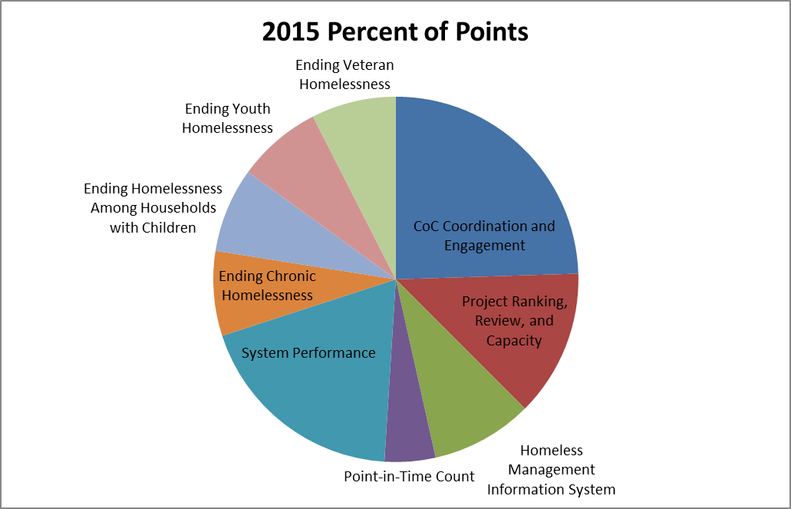

2016 Percent of Points

Tier 2 Points
HUD will award a point value to each new and renewal project application that is in Tier 2 using a 100-point scale. The chart below illustrates how HUD will award points to projects in Tier 2, but should not be used to guess if a project will receive funding.

Points Available | Estimated Points | Criteria for Each Project in Tier 2
50 | 0 | a. Up to 50 points in direct proportion to the CoC application.
 |  | Estimated score on consolodated application: | 0.0%
35 |  | b. Points awarded in order of project ranking. Projects ranked higher receive more points.
5 |  | c. Awarded by project type. 5 points awarded for PSH and rapid re-housing, renewal safe haven, HMIS, SSO for coordianted assessment, or transitional housing for youth. 3 points for transitional housing except those that exclusively serve youth. 1 point for SSO except those for coordinated assessment.
10 |  | d. Commitment to Housing First, being low barrier, and rapidly moving households into housing.
100 | 0

Points Availible
 | Proportional to Consolidated Application | Project ranking | Project Type | Housing First
Criteria for Each Project in Tier 2 | 50 | 35 | 5 | 10
Estimated Tier 2 Project Points
 | Proportional to Consolidated Application | Project ranking | Project Type | Housing First
Criteria for Each Project in Tier 2 | 0

